precious_spain_pedido
CATEGORIA | MARCA | DESCRIPCION | UNIDADES | PRECIO | FOTO
SWEETS | MAYNARD BASSETTS | LIQUORICE ALLSORTS | 12 X 130G | 1.46 | 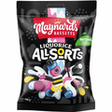
SWEETS | MAYNARD BASSETTS | WINE GUMS | 12 X 130G | 1.46 | 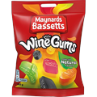
SWEETS | MAYNARD BASSETTS | JELLY BABIES | 12 X 130G | 1.46 | 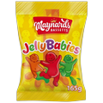
SWEETS | MAYNARD BASSETTS | SPORTS MIX | 12 X 130G | 1.46 | 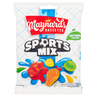
SWEETS | MAYNARD BASSETTS | MIDGET GEMS | 12 X 160G | 1.46 | 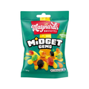
SWEETS | ROWNTREE | RANDOMS | 10 X 120G | 1.97 | 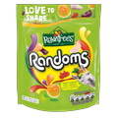
SWEETS | ROWNTREE | FRUIT PASTILLES | 10 X 120G | 1.79 | 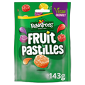
SWEETS | ROWNTREE | PICK & MIX POUCH | 10 X 120G | 1.79 | 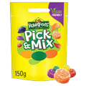
SWEETS | ROWNTREE | FRUIT GUMS | 10 X 120G | 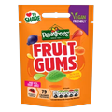 1.79
SWEETS | STARBURST | ORIGINAL FRUIT CHEWS | 12 X 141G | 1.79 | 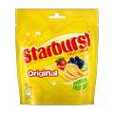
SWEETS | SWEETZONE | MALLOW MIX | 10 X 140G | 1.59 | 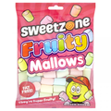
SWEETS | SWEETZONE | PARTY MIX | 12 X 180G | 1.59 | 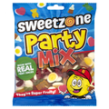
SWEETS | SWEETZONE | TANGY MIX | 12 X 180G | 1.59 | 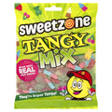
SWEETS | SWEETZONE | FIZZY MIX | 12 X 180G | 1.59 | 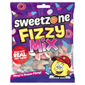
SWEETS | SOUR PATCH | ORIGINAL | 10 X 120G | 1.97 | 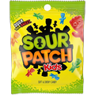
SWEETS | SOUR PATCH | FRUIT MIX | 10 X 120G | 1.97 | 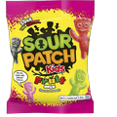
SWEETS | SOUR PATCH | COLA | 10 X 140G | 1.97 | 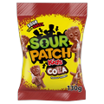
SWEETS | SOUR PATCH | WATERMELON | 10 X 120G | 1.97 | 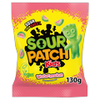
SWEETS | SOUR PATCH | STRAWBERRY | 12 X 102G | 1.97 | 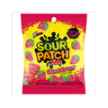
SWEETS | SOUR PATCH | BLUE RASPBERRY | 12 X 102G | 1.97 | 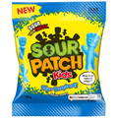
SWEETS | MILLIONS | TUBES / STRAWBERRY | 12 X 58G | 1.19 | 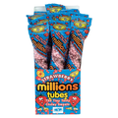
SWEETS | MILLIONS | TUBES / APPLE | 12 X 58G | 1.19 | 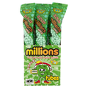
SWEETS | MILLIONS | TUBES / RASPBERRY | 12 X 58G | 1.19 | 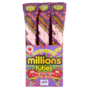
SWEETS | MILLIONS | TUBES/BLACKCURRANT | 12X58G | 1.19 | 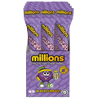
SWEETS | NERDS | GUMMY CLUSTER FRUITS | 12 X 113G | 2.59 | 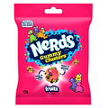
SWEETS | NERDS | GRAPE & STRAWBERRY VIDEOBOX | 12 X 141.7G | 1.96 | 
SWEETS | NERDS | RAINBOW VIDEOBOX | 12 X 141.7G | 1.96 | 
SWEETS | NERDS | RAINBOW ROPE | 24 X 26G | 1.38 | 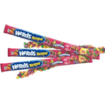
SWEETS | NERDS | VERY BERRY ROPE | 24 X 26G | 1.38 | 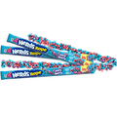
SWEETS | NERDS | VERY BERRY GUMMY CLUSTERS | 12 X 113G | 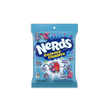 2.59
SWEETS | WALKERS | SALTED CARAMEL TOFFEE | 12 X 150G | 1.89 | 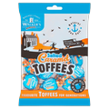
SWEETS | WALKERS | ASSORTED TOFFEES | 12 X 150G | 1.89 | 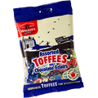
SWEETS | WALKERS | LIQUORICE TOFFEE | 12 X 150G | 1.89 | 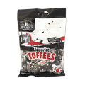
SWEETS | WALKERS | CREAMY TOFFEE | 12 X 150G | 1.89
SWEETS | WALKERS | MINT TOFFEE | 12 X 150G | 1.89 | 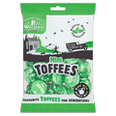
SWEETS | WERTHERS | ECLAIRS | 12 X 100G | 1.76 | 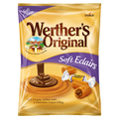
SWEETS | WERTHERS | CREAMY FILLING | 24 X 137.5G | 1.76 | 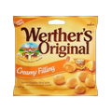
SWEETS | WERTHERS | BUTTER CANDIES | 24 X 137.5G | 1.76 | 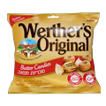
SWEETS | WERTHERS | SOFT CARAMELS | 24 X 137.5G | 1.76 | 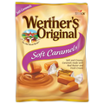
SWEETS | CADBURY | ECLAIRS | 12 X 130G | 1.7
CHOCOLATES | CADBURY | OREO BITES | 10 X 95G | 1.99 | 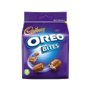
CHOCOLATES | CADBURY | TWIRL MINI BITES | 10 X 95G | 1.99 | 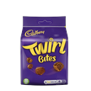
CHOCOLATES | CADBURY | BITSA WISPA | 10 X 95G | 1.99 | 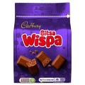
CHOCOLATES | CADBURY | CARAMEL NIBBLES POUCH | 10 X 120G | 1.99
CHOCOLATES | CADBURY | DAIRYMILK BUTTONS POUCH | 10 X 110G | 1.99 | 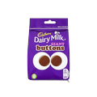
CHOCOLATES | CADBURY | DAIRY MILK ORANGE BUTTONS POUCH | 10 X 95G | 1.99
CHOCOLATES | CADBURY | WHITE CHOC BUTTONS | 10 X 95G | 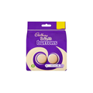 1.99
CHOCOLATES | CADBURY | CURLY WURLY SQUIRLIES | 10 X 95G | 1.99
CHOCOLATES | NESTLE | ROLOS POUCH | 8 X 103G | 1.89 | 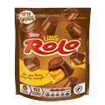
CHOCOLATES | NESTLE | MUNCHIES POUCH | 8 X 104G | 1.89 | 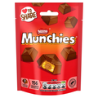
CHOCOLATES | GALAXY | MINSTRELS POUCH | 20 X 80G | 1.89 | 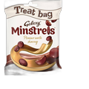
CHOCOLATES | NESTLE | AERO MELTS POUCH | 8 X 107G | 1.95 | 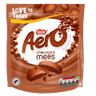
CHOCOLATES | NESTLE | AERO PEPPERMINT POUCH | 8 X 102G | 1.95 | 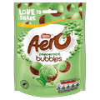
CHOCOLATES | NESTLE | MILKYBAR BUTTONS | 8 X 102G | 1.89 | 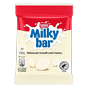
CHOCOLATES
CHOCOLATES | RIESEN | RIESEN BAG | 12 X 110G | 1.89
CHOCOLATES | REESE'S | PEANUT BUTTER CUPS 2PK | 36 X 42G | 1.19 | 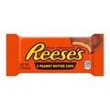
CHOCOLATES | REESE'S | NUTRAGEOUS BARS | 18 X 47G | 1.13 | 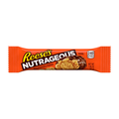
CHOCOLATES | REESE'S | OVERLOAD | 18 X 42G | 1.13 | 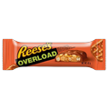
CHOCOLATES | REESE'S | PEANUT BUTTER CUPS MINI POUCH | 16 X 68G | 1.89 | 
CHOCOLATES | REESE'S | WHITE PEANUT BUTTER CUPS 2PK | 24 X 39.5G | 1.15 | 
CHOCOLATES | MR.BEAST | MILK CHOCOLATE BAR | 40 X 60G | 2.39 | 
CHOCOLATES | MR.BEAST | MILK CHOCOLATE CRUNCH BAR | 40 X 60G | 2.39 | 
CHOCOLATES | MR.BEAST | MILK CHOCOLATE / PEANUT BUTTER BAR | 40 X 60G | 2.39 | 
CHOCOLATES | MR.BEAST | MILK CHOCOLATE / ALMOND | 40 X 60G | 2.39 | 
CHOCOLATES | CADBURY | TWIRL | 5PK X 20 | 1.99
CHOCOLATES | CADBURY | CRUNCHIE | 4PK X 10 | 1.99 | 
CHOCOLATES | CADBURY | DAIRY MILK | 4PK X 14 | 1.99
CHOCOLATES | CADBURY | WISPA | 4PK X 11 | 1.99
CHOCOLATES | CADBURY | PICNIC | 4PK X 10 | 1.99 | 
CHOCOLATES | CADBURY | DOUBLE DECKER | 4PK X 8 | 1.99
CHOCOLATES | CADBURY | BOOST BARS | 4PK X 9 | 1.99
CHOCOLATES | CADBURY | FLAKE | 4PK X 20 | 1.99 | 
CHOCOLATES | CADBURY | FUDGE | 5PK X 20 | 1.99 | 
CHOCOLATES | CADBURY | DAIM BAR | 3PK 24 X 84G | 1.99
SNACKS | MCVITIES | RICH TEA | 20 X 300G | 2.49 | 
SNACKS | HILL | CUSTARD CREAMS | 36 X 150G | 0.85 | 
SNACKS | HILL | CHOCOLATE CREAMS | 36 X 150G | 0.85 | 
SNACKS | HILL | COCONUT CREAMS | 36 X 150G |  0.85
SNACKS | FOX'S | HALF COATED CHUNKIE COOKIE | 8 X 175G | 1.89
SNACKS | FOX'S | TRIPLE CHOC CHUNKIE COOKIE | 8 X 180G | 1.89
SNACKS | FOX'S | MILK CHOC CHUNKIE COOKIES | 8 X 180G | 1.89
SNACKS | FOX'S | WHITE CHOC CHUNKIE COOKIES | 8 X 180G | 1.89
SNACKS | BOUNTY | CHUNK COOKIES | 8 X 180G | 2.29 | 
SNACKS | MCVITIES | GINGER NUTS | 12 X 250G | 1.79
SNACKS | MCVITIES | DIGESTIVES | 24 X 225G | 1.99 | 
SNACKS | MCVITIES | MILK CHOCOLATE DIGESTIVES | 15 X 266G | 2.29 | 
SNACKS | MCVITIES | DARK CHOC DIGESTIVES | 15 X 266G | 1.99 | 
ALIMENTACION | KELLOGGS | CRUNCHY NUT CORNFLAKES | 6 X 500G | 3.99
ALIMENTACION | DORSET | MUESLI | 5 X 410G |  3.29
ALIMENTACION | DORSET | FRUITY MUESLI | 5 X 410G | 3.29 | 
ALIMENTACION | DORSET | NUTTY MUESLI | 5 X 410G | 3.29 | 
ALIMENTACION | NESTLE | SHREDDED WHEAT 16'S | 10 X 460G | 3.79 | 
ALIMENTACION | NESTLE | SHREDDIES | 6 X 500G | 3.79
ALIMENTACION | WEETABIX | WEETABIX STANDARD | 10 X 500G | 1.99 | 
SNACKS | MCCOY'S | FLAME GRILLED STEAK CHIPS | 32 X 45G | 1.39 | 
SNACKS | MCCOY'S | HOT AND SPICY | 32 X 45G | 1.39 | 
SNACKS | MCCOY'S | KING PRAWN | 32 X 45G | 1.39 | 
SNACKS | MCCOY'S | CHEDDAR ONION | 32 X 45G | 1.39 | 
SNACKS | MCCOY'S | THAI SWEET CHICKEN | 32 X 45G |  1.69
SNACKS | MORRISON | BAKED BEANS IN TOM SAUCE | 24 X 220G | 0.85
SNACKS | MORRISON | SAGE & ONION STUFFING | 12 X 85G | 0.99
SNACKS | MORRISON | VEGETABLE GRAVY GRANULES | 12 X 200G | 1.89
SNACKS | MORRISON | BEEF GRAVY | 12 X 200G | 1.89
SNACKS | MORRISON | CHICKEN GRAVY | 12 X 200G | 1.89
SNACKS | MORRISON | SALAD CREAM CLASSIC | 12 X 420G | 2.59
SNACKS | MORRISON | SALAD CREAM LIGHT | 12 X 420G | 2.59
SNACKS | MORRISON | EARL GREY 100 TEA BAGS | 4 X 200G | 3.49
SNACKS | MORRISON | GOLD DECAF COFFEE | 6 X 100G | 4.99
ALIMENTACION | DUERRS | ORANGE MARMALADE | 6 X 454G | 2.69
ALIMENTACION | DUERRS | STRAWBERRY JAM | 6 X 454G | 2.69
ALIMENTACION | DUERRS | GINGER JAM | 6 X 454G | 2.69
ALIMENTACION | MRS B'S | PURE HONEY SQUEEZY | 10 X 240G | 1.89
ALIMENTACION | GO LOCAL | SMOOTH PEANUT BUTTER | 6 X 340GR | 1.99
ALIMENTACION | GO LOCAL | CRUNCHY PEANUT BUTTER | 6 X 340GR | 1.99
ALIMENTACION | TATE & LYLE | CASTER SUGAR | 10 X 500G | 1.69
ALIMENTACION | TATE & LYLE | GRANULATED SUGAR | 10 X 500G | 1.29
ALIMENTACION | POT NOODLES | CHICKEN & MUSHROOM | 12 X 90G | 1.89
ALIMENTACION | POT NOODLES | BOMBAY BAD BOY | 12 X 90G | 1.89
ALIMENTACION | POT NOODLES | CURRY | 12 X 90G | 1.89
ALIMENTACION | POT NOODLES | BEEF & TOMATO | 12 X 90G | 1.89
ALIMENTACION
ALIMENTACION | BEN'S | ORIGINAL BASMATI RICE | 6 X 220G | 2.69
ALIMENTACION | BEN'S | PILAU RICE | 6 X 220G | 2.69
ALIMENTACION | BEN'S | LONG GRAIN RICE | 6 X 250G | 2.69
ALIMENTACION | BEN'S | GOLDEN VEGETABLE RICE | 6 X 220G | 2.69
ALIMENTACION | BEN'S | CHICKEN RICE | 6 X 220G | 2.69
ALIMENTACION
ALIMENTACION | BRANSTON | BAKED BEANS IN TOM SAUCE | 24 X 410G | 0.99
ALIMENTACION | BATCHELOR | MUSHY PEAS | 24 X 300G | 1.09
ALIMENTACION
ALIMENTACION | HEINZ | BAKED BEANS | 24 X 415G | 1.09
ALIMENTACION | HEINZ | TOMATO SOUP | 24 X 400G | 1.39
ALIMENTACION | HEINZ | VEGETABLE SOUP | 24 X 400G | 1.19
ALIMENTACION | HEINZ | MUSHROOM SOUP | 24 X 400G | 1.19
ALIMENTACION | HEINZ | CHICKEN SOUP | 24 X 400G | 1.19
ALIMENTACION | BRANSTON | ORIGINAL PICKLE | 6 X 360G | 2.89
ALIMENTACION | BRANSTON | SMALL CHUNK PICKLE | 6 X 360G | 2.89
ALIMENTACION | NICO'S | COCONUT MILK | 12 X 400ML | 1.09
ALIMENTACION | COLMANS | ENGLISH MUSTARD | 6 X 100G | 1.89
ALIMENTACION | COLMANS | MINT SAUCE | 8 X 155G | 1.95
ALIMENTACION | COLMANS | APPLE SAUCE | 8 X 155G | 1.95
ALIMENTACION | COLMANS | HORSERADISH SAUCE | 8 X 155G | 1.95
ALIMENTACION | COLMANS | SEAFOOD SAUCE | 8 X 155G | 1.95
ALIMENTACION | COLMANS | TARTARE SAUCE | 8 X 155G | 1.95
SWEETS | MILLIONS | TUBES/BLACKCURRANT | 12 X 58G | 1.19
SNACKS | WALKERS | Monster munch Pickled Onion | 35 X 40G | 0.99
SNACKS | WALKERS | QUAVERS |  | 
SNACKS | WALKERS | HULA HOOPS ORIGINALS | 32 X 34G | 0.79
SNACKS | WALKERS | BBQ BEEF | 32 X 34G | 0.79
SNACKS | WALKERS | SALT AND VINEGAR | 32 X 34G | 0.79

REFRESCOS | FANTA | PINEAPPLE | 6X500ML | 0.99
REFRESCOS | FANTA | BERRY | 12X355ML | 0.99
REFRESCOS | FANTA | STRAWBERRY | 12X355ML | 0.99
REFRESCOS | FANTA | GRAPE | 12X355ML | 0.99
REFRESCOS | FANTA | PEACH | 12X355ML | 0.99
REFRESCOS | MARS | SNICKERS DRINK SPORTSCAP | 8X350ML | 2.29
REFRESCOS | MARS | TWIX DRINK SPORTSCAP | 8X350ML | 2.29
REFRESCOS | MARS | M&M DRINK SPORTSCAP | 8X350ML | 2.29
REFRESCOS | MARS | MARS DRINK SPORTSCAP | 8X350ML | 2.29
REFRESCOS | AMAZONIA | JUGO DE COCO CON PULPA | 24X330ML | 0.99
REFRESCOS | AMAZONIA | JUGO DE MARACUYÁ | 24X330ML | 0.89
REFRESCOS | AMAZONIA | JUGO DE MANGO | 24X330ML | 0.89
REFRESCOS | AMAZONIA | JUGO DE TAMARINDO | 24X330ML | 0.89
REFRESCOS | PG | 40'S | X12 | 1.69
REFRESCOS | PG | 70'S DECAF | X6 | 4.79
REFRESCOS | TETLEYS | ORIGINAL TEA | 40'S X12 | 1.89
REFRESCOS | YORKSHIRE TEA | TEA BAGS 40'S | 40'S X5 | 1.89
REFRESCOS | YORKSHIRE TEA | TEA BAGS 210'S | 210'S | 7.99
REFRESCOS | YORKSHIRE TEA | TEA BAGS 40'S DECAF | 5 X 125G | 2.79
REFRESCOS | GO LOCAL | GOLD COFFEE | 6X325G | 3.29
REFRESCOS | LUCOZADE | ORIGINAL | 24X380ML | 1.09
REFRESCOS | LUCOZADE | ORANGE | 24X380ML | 1.09
REFRESCOS | LUCOZADE | BLUE BURST | 12X500ML | 1.59
REFRESCOS | VIMTO | ORIGINAL LATA | 24X330ML | 0.69
REFRESCOS | COCA-COLA | ORIGINAL LATA | 24X330ML | 0.5
REFRESCOS | COCA-COLA | VANILLA LATA | 24X330ML | 0.595
REFRESCOS | ESSENCE
REFRESCOS | ESSENCE
REFRESCOS | ESSENCE
REFRESCOS | COCA-COLA | CHERRY LATA | 24X330ML | 0.595
REFRESCOS | PEPSI | MAX CHERRY | 24X330ML | 0.69
REFRESCOS | TANGO | APPLE | 24X330ML | 0.79
BEBIDAS ALCOHOLICAS | STRONGBOW | STRAWBERRY/LIME | 24X500ML | 0.89
BEBIDAS ALCOHOLICAS | KOPPARBERG | MIXED FRUITS | 24X500ML | 1.49
BEBIDAS ALCOHOLICAS | KOPPARBERG | PEAR | 24X500ML | 1.49
BEBIDAS ALCOHOLICAS | KOPPARBERG | WILD BERRIES | 24X500ML | 1.49
BEBIDAS ALCOHOLICAS | BACARDI BREEZER | LIME | 24X275ML | 1.49
BEBIDAS ALCOHOLICAS | BACARDI BREEZER | WATERMELON | 24X275ML | 1.49
BEBIDAS ALCOHOLICAS | BACARDI BREEZER | ORANGE | 24X275ML | 1.49
BEBIDAS ALCOHOLICAS | HARDY'S | PASSION FRUIT/MANGO | 6X750ML | 3.89
BEBIDAS ALCOHOLICAS | JAM SHED | SHIRAZ WINE | 6X750ML | 3.99
BEBIDAS ALCOHOLICAS | JAM SHED | ROSE WINE | 6X750ML | 3.99
BEBIDAS ALCOHOLICAS | GREENE KING | IPA BEER | 24X500ML | 1.35
BEBIDAS ALCOHOLICAS | MAGNERS | ORIGINAL BOTTLE | 12X568ML | 1.49
BEBIDAS ALCOHOLICAS | LECOQ | SEX ON THE BEACH | 24X330ML | 1.05
BEBIDAS ALCOHOLICAS | LECOQ | MOJITO | 24X330ML | 1.05
BEBIDAS ALCOHOLICAS | LECOQ | PIÑA COLADA | 24X330ML | 1.05

